CR
IMAGE | GENDER | BRAND | CATEGORY | DESCRIPTION | COMPOSITION | MADE | TYPE | ITEM | SKU | COLOR | SIZE | QTY | QTY REF | RRP
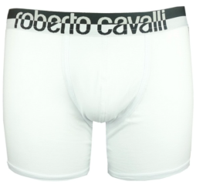 | MEN | ROBERTO CAVALLI | UNDERWEAR | Boxer bipack und. | 94%Cotton 6%Elastane | Made in Tunisie | U83 | U83CAV10002 | GSK002 JT016 | 00053/White | III | 360 | 4500 | 59.00 €
 | MEN | ROBERTO CAVALLI | UNDERWEAR | Boxer bipack und. | 94%Cotton 6%Elastane | Made in Tunisie | U83 | U83CAV10002 | GSK002 JT016 | 00053/White | IV | 1080 |  | 59.00 €
 | MEN | ROBERTO CAVALLI | UNDERWEAR | Boxer bipack und. | 94%Cotton 6%Elastane | Made in Tunisie | U83 | U83CAV10002 | GSK002 JT016 | 00053/White | V | 1620 |  | 59.00 €
 | MEN | ROBERTO CAVALLI | UNDERWEAR | Boxer bipack und. | 94%Cotton 6%Elastane | Made in Tunisie | U83 | U83CAV10002 | GSK002 JT016 | 00053/White | VI | 1080 |  | 59.00 €
 | MEN | ROBERTO CAVALLI | UNDERWEAR | Boxer bipack und. | 94%Cotton 6%Elastane | Made in Tunisie | U83 | U83CAV10002 | GSK002 JT016 | 00053/White | VII | 360 |  | 59.00 €
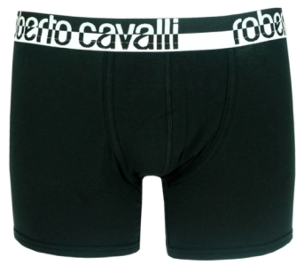 | MEN | ROBERTO CAVALLI | UNDERWEAR | Boxer bipack und. | 94%Cotton 6%Elastane | Made in Tunisie | U83 | U83CAV10002 | GSK002 JT016 | Black | III | 810 | 10500 | 59.00 €
 | MEN | ROBERTO CAVALLI | UNDERWEAR | Boxer bipack und. | 94%Cotton 6%Elastane | Made in Tunisie | U83 | U83CAV10002 | GSK002 JT016 | Black | IV | 2590 |  | 59.00 €
 | MEN | ROBERTO CAVALLI | UNDERWEAR | Boxer bipack und. | 94%Cotton 6%Elastane | Made in Tunisie | U83 | U83CAV10002 | GSK002 JT016 | Black | V | 3696 |  | 59.00 €
 | MEN | ROBERTO CAVALLI | UNDERWEAR | Boxer bipack und. | 94%Cotton 6%Elastane | Made in Tunisie | U83 | U83CAV10002 | GSK002 JT016 | Black | VI | 2594 |  | 59.00 €
 | MEN | ROBERTO CAVALLI | UNDERWEAR | Boxer bipack und. | 94%Cotton 6%Elastane | Made in Tunisie | U83 | U83CAV10002 | GSK002 JT016 | Black | VII | 810 |  | 59.00 €
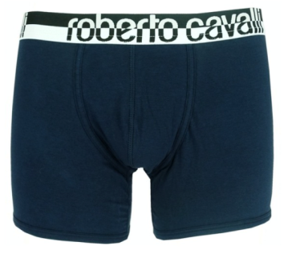 | MEN | ROBERTO CAVALLI | UNDERWEAR | Boxer bipack und. | 94%Cotton 6%Elastane | Made in Tunisie | U83 | U83CAV10002 | GSK002 JT016 | Blue | III | 405 | 5000 | 59.00 €
 | MEN | ROBERTO CAVALLI | UNDERWEAR | Boxer bipack und. | 94%Cotton 6%Elastane | Made in Tunisie | U83 | U83CAV10002 | GSK002 JT016 | Blue | IV | 1195 |  | 59.00 €
 | MEN | ROBERTO CAVALLI | UNDERWEAR | Boxer bipack und. | 94%Cotton 6%Elastane | Made in Tunisie | U83 | U83CAV10002 | GSK002 JT016 | Blue | V | 1800 |  | 59.00 €
 | MEN | ROBERTO CAVALLI | UNDERWEAR | Boxer bipack und. | 94%Cotton 6%Elastane | Made in Tunisie | U83 | U83CAV10002 | GSK002 JT016 | Blue | VI | 1195 |  | 59.00 €
 | MEN | ROBERTO CAVALLI | UNDERWEAR | Boxer bipack und. | 94%Cotton 6%Elastane | Made in Tunisie | U83 | U83CAV10002 | GSK002 JT016 | Blue | VII | 405 |  | 59.00 €

